Sheet3
SUMMARY OUTPUT

Regression Statistics
Multiple R | 0.55470019623 | correlation that measures the relationship between independent and dependent variable (can be any values from -1 to 1) -> the larger the value the stronger the relationship
R Square | 0.30769230769 | how many percentage of datapoint falls on regression line (in this case 30%) should be >95% to be a good model
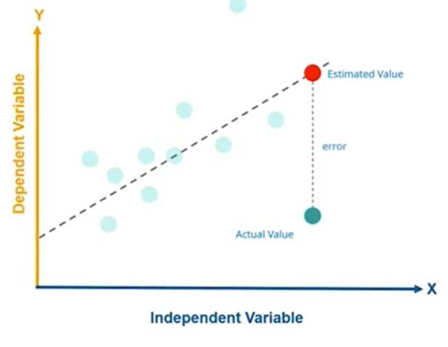
Adjusted R Square | 0.076923076923
Standard Error | 1.095445115
Observations | 5 | how many observations data do we have (x,y) data points |  |  |  |  |  | Standard error - smaller -> better model

ANOVA
 | df | SS | MS | F | Significance F
Regression | 1 | 1.6 | 1.6 | 1.3333333333 | 0.33184140605 | Significance value should be <0.05 (5%) to be a reliable model
Residual | 3 | 3.6 | 1.2 |  |  | if >0.0.5 we should choose another independent variable
Total | 4 | 5.2

 | Coefficients | Standard Error | t Stat | P-value | Lower 95% | Upper 95% | Lower 95.0% | Upper 95.0%
Intercept | 2.4 | 1.1489125293 | 2.0889318715 | 0.12790721966 | -1.256352434 | 6.056352434 | -1.256352434 | 6.056352434
x | 0.4 | 0.34641016151 | 1.1547005384 | 0.33184140605 | -0.70243173862 | 1.5024317386 | -0.70243173862 | 1.5024317386
Coefficients use in | y=mx+c | formula to find regression line (predicted y)
 | m=intercept
 | x=0.4
RESIDUAL OUTPUT

Observation | Predicted y | Residuals | Residuals = forecast error
1 | 2.8 | 0.2 | (y actual value - y predicted value)
2 | 3.2 | 0.8
3 | 3.6 | -1.6
4 | 4 | 0
5 | 4.4 | 0.6

Sheet1
 | x | y
 | 1 | 3 | -2 | -0.6 | 4 | 1.2
 | 2 | 4 | -1 | 0.4 | 1 | -0.4
 | 3 | 2 | 0 | -1.6 | 0 | 0
 | 4 | 4 | 1 | 0.4 | 1 | 0.4
 | 5 | 5 | 2 | 1.4 | 4 | 2.8
MEAN | 3 | 3.6 |  | SUM | 10 | 4

 | Finding the slope

 |  |  |  |  |  |  | m= | 0.4
 |  |  |  |  |  |  | c (given)= | 2.4

 | blue dots is the actual value

 | Regression Line
 | x | y |  |  |  |  |  | regression line calculate the distance between the predicted value and the actual value
 | 1 | 2.8 |  |  |  |  |  | regression line represents predicted value
 | 2 | 3.2
 | 3 | 3.6
 | 4 | 4
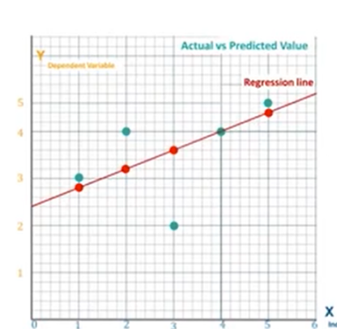
 | 5 | 4.4

 | Calculate R square
 | x | y
 | 1 | 3 | -0.6 | 0.36 | 2.8 | -0.8 | 0.64
 | 2 | 4 | 0.4 | 0.16 | 3.2 | -0.4 | 0.16
 | 3 | 2 | -1.6 | 2.56 | 3.6 | 0 | 0
 | 4 | 4 | 0.4 | 0.16 | 4 | 0.4 | 0.16
 | 5 | 5 | 1.4 | 1.96 | 4.4 | 0.8 | 0.64
 | MEAN | 3.6 | SUM | 5.2 |  |  | 1.6

 |  |  |  | R^2 | 0.30769230769
 |  |  |  | Percentage | 30.769230769
 |  |  | Analysis | only 30% values fit in to the regression model so we can conclude that the model is not so accurate
 |  |  |  | 95% or more = good model

Sheet4
Linear Regression
x | y
1 | 3
2 | 4
3 | 2
4 | 4
5 | 5

 |  | Analysis | only one actual data point falls on predicted data line (regression line)

